Sheet3
Row Labels | Sum of Total Sales | Sum of Profit
North | 1377334.3918 | 235977.5908
West | 1310188.9553 | 232075.5527
South | 803471.7415 | 130423.0171
East | 803057.5245 | 130715.7531
Grand Total | 4294052.6131 | 729191.9137

Sheet4
Row Labels | Sum of Total Sales | Sum of Profit
Laptop | 1877688.4646 | 348805.0748
Monitor | 695340.9527 | 104138.9933
Printer | 457859.2374 | 66839.325
SSD 1TB | 418392.9033 | 70989.7173
Office Chair | 331036.1709 | 48382.3605
Webcam | 148201.9966 | 26540.2096
Router | 134705.2683 | 24711.4545
Keyboard | 110550.0582 | 18304.1226
Headset | 63822.601 | 11428.3942
Mouse | 56454.9601 | 9052.2619
Grand Total | 4294052.6131 | 729191.9137

Sheet5
Row Labels | Sum of Total Sales | Sum of Profit
Electronics | 2721231.4139 | 479484.2777
Office Equipment | 457859.2374 | 66839.325
Storage | 418392.9033 | 70989.7173
Furniture | 331036.1709 | 48382.3605
Accessories | 230827.6193 | 38784.7787
Networking | 134705.2683 | 24711.4545
Grand Total | 4294052.6131 | 729191.9137

Dashboard
BUSINESS SALES & PROFIT ANALYTICS DASHBOARD

 |  | Total Sales | Total profit | Profit Margin | Total Orders
 |  | 4,294,052.61 | 729,191.91 | 16.98% | 100

Sales & Profit by Region |  |  |  | Sales & Profit by Product |  | Category
 | Sum of Total Sales | Sum of Profit
North | 1377334.3918 | 235977.5908
West | 1310188.9553 | 232075.5527
South | 803471.7415 | 130423.0171
East | 803057.5245 | 130715.7531
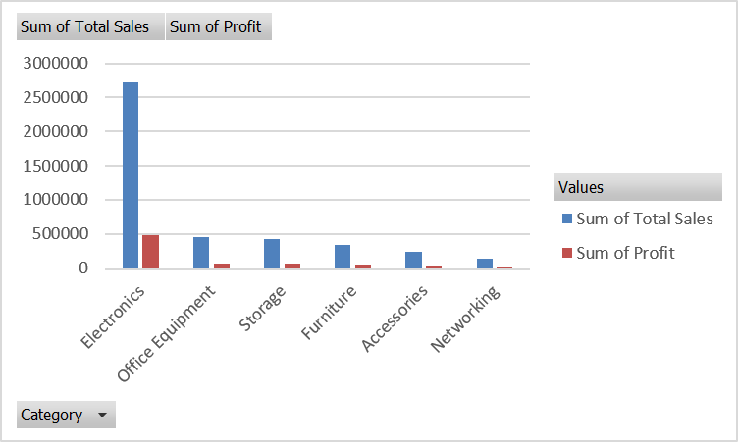

 | Sales & Profit by Product
 | Sum of Total Sales | Sum of Profit
Laptop | 1877688.4646 | 348805.0748
Monitor | 695340.9527 | 104138.9933
Printer | 457859.2374 | 66839.325
SSD 1TB | 418392.9033 | 70989.7173
Office Chair | 331036.1709 | 48382.3605
Webcam | 148201.9966 | 26540.2096
Router | 134705.2683 | 24711.4545
Keyboard | 110550.0582 | 18304.1226
Headset | 63822.601 | 11428.3942
Mouse | 56454.9601 | 9052.2619

